Skill Will Matrix Template
Skill Will Matrix Template
Instructions: 1. Fill in the name of the team you'll be evaluating. 2. Enter the name of the employee whose skill and will you will be assessing. 3. Select the option that best reflects the employee's current level of skill. 4. Select the option that best reflects the employee's current level of will. 5. Your employee will be assigned into a quadrant of the Skill Will Matrix. 6. Use the information in the Skill Will Matrix to adequately address your individual employees' needs. |  |  | 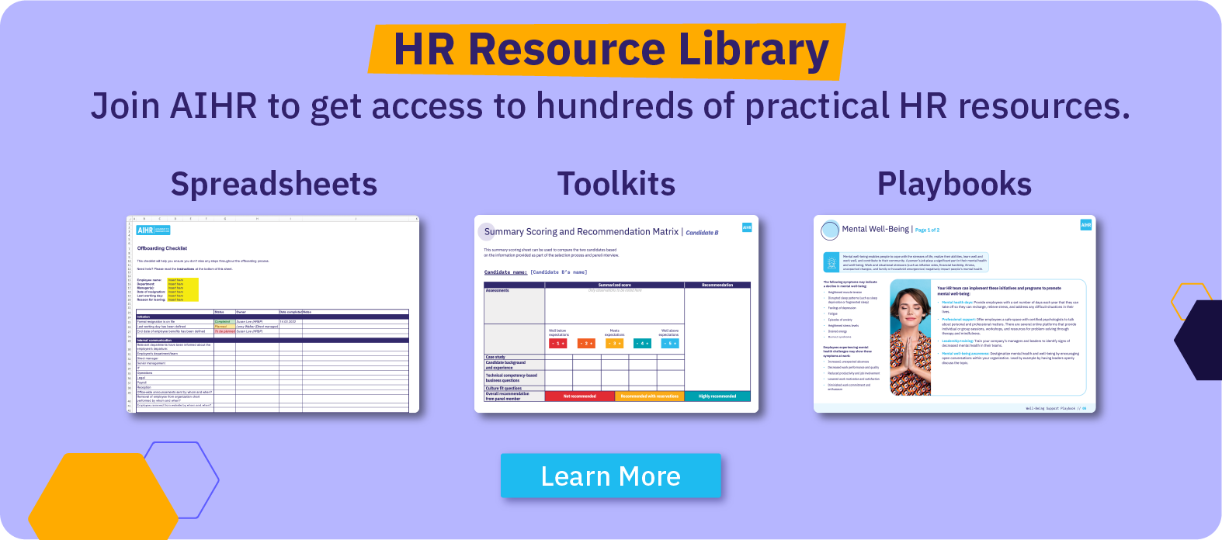
TEAM NAME

Employee Skill and Will Review |  |  |  | The Skill Will Matrix

Employee | Skill | Will | Quadrant
Enter the name of the employee whose skill and will you will be assessing. | Select the option that best reflects the employee's current level of skill. | Select the option that best reflects the employee's current level of will. | Your employees will be assigned into a quadrant of the Skill Will Matrix. |  | Low Skill | High Skill
Jacob Preston | High Skill | Low Will | High Skill / Low Will: Excite | High Will | Low Skill / High Will Has the desire to complete tasks but lacks the skills to do so High enthusiasm Strong desire to succeed and excel at work Tends to be new to a career or job level Guide them by providing training and continuous learning opportunities to develop their skills. | High Skill / High Will Possesses the skill and will to perform Seeks new opportunities to grow Eager to learn and develop new skills High motivation and drive High performer and achiever Delegate tasks to these individuals, allowing them autonomy and the opportunity to lead projects, as they are likely to handle responsibilities effectively.
Camilla Smith | Low Skill | Low Will | Low Skill / Low Will: Direct
Dimitris Georgiou | High Skill | High Will | High Skill / High Will: Delegate
Amy Li | Low Skill | High Will | Low Skill / High Will: Guide

 |  |  |  | Low Will | Low Skill / Low Will Lacks the skills and motivation to perform May have failed before and be afraid to fail again Could be in the wrong role or be a poor fit for the team or organization May be reluctant to ask for help Direct them with clear, structured tasks and close supervision to ensure compliance and encourage skill development. | High Skill / Low Will Possesses the skills to perform but lacks motivation May have reached a plateau May have had a recent manager/team change In need of a new challenge Excite them by aligning tasks with their interests or career goals and recognizing their achievements to boost engagement.

About AIHR


